Application Screen

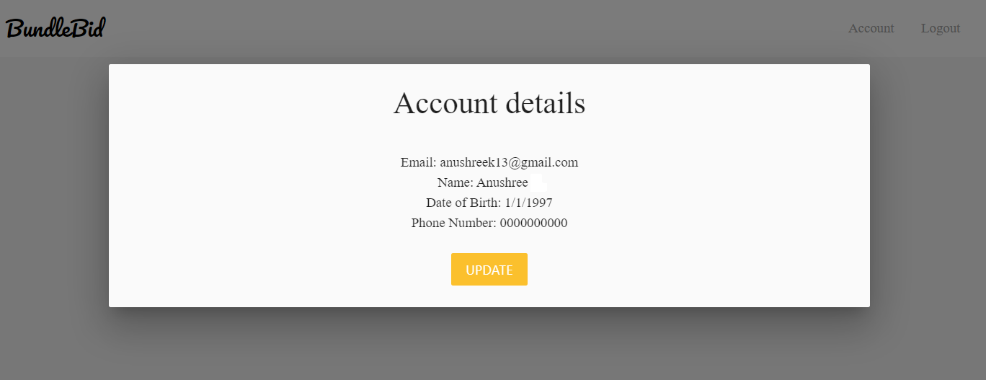
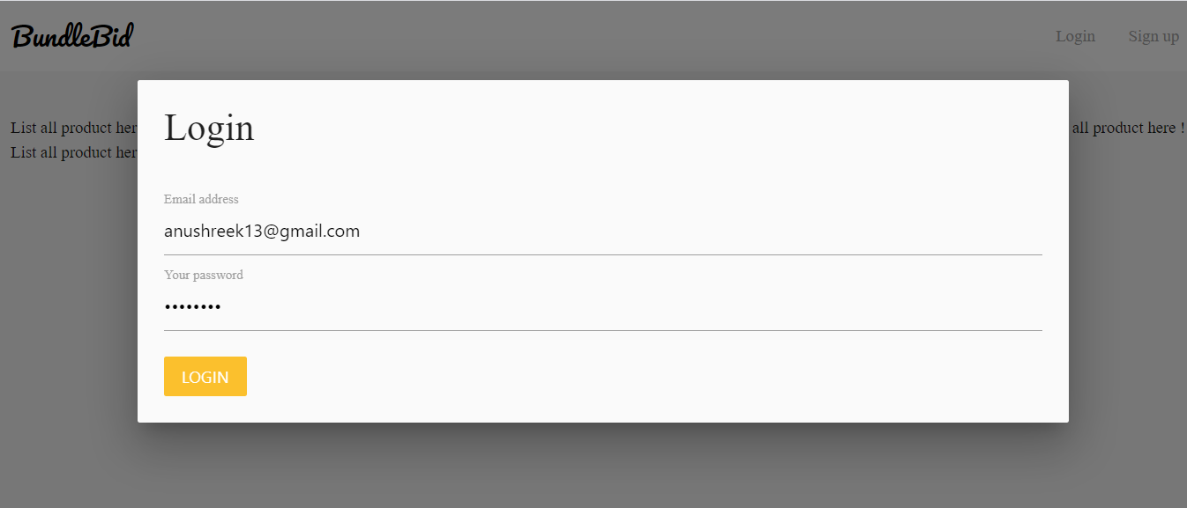

Test Case 4
DFD - Sign In to Account
TC Title: | TC3. Sign In to Account - Data Flow Out

TC Objective: | To test if the user information reflects peoperly at homepage.
Verify user
credentials
USER
User Credentials
02.05 Sign In to
Account
D
User

TC Description
 | Step | Step Description | Expected Results
 | 1 | Enter your email id in "Email Address" field. | User should be able to enter email id.
Display User details in
“Account” field
 | 2 | Enter password in "Your Password" field. | User should be able to enter password.
 | 3 | Click "Login" button. | User should be redirected to the homepage.
 | 4 | Click on the "Account" button. | User should be able to view name, email id, date of birth, phone number which he or she entered during registration.

03.01 Browse
Homepage

